General

Building User Audit: Capturig Behavior, Energy, and Culture
Smart Excel Sheets

Welcome to the Smart Excel Sheets for the Automated Monitoring.
This tool provides every sheets, tables, and graphs reguired for conducting the building automated audit. This tool is used for data retrieval, analysis, and visualization.
The current tool contains the followings sheets:
- General Sheet
- HOBO UX90 (light & occupancy) Data and Analysis Sheets
- HOBO UX100 (temperature & humidity) Data and Analysis Sheets
- WattsUp Meter Data and Analysis Sheets
- Whole Energy Analysis

TIP: All blue cells should be filled manually.

Date of Audit |  | Number of Offices
Year | YYYY | Faculty
Month | MM | Staff
Day | DD | Grad. Students
 |  | Number of Computers in computer Labs
 |  | This information should be gained during
 |  | the second level of audit: Walk-through Anaysis

HOBO UX90 Analysis
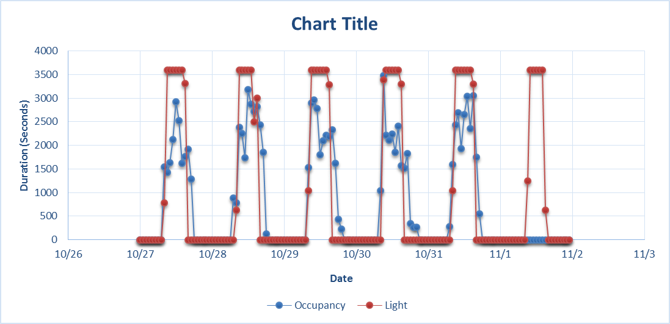
These table and graphs show the data of lights use and occupancy.

Time, Light on
 | Monday |  | Tuesday |  | Wednesday |  | Thursday |  | Friday |  | Saturday
Time | Light | Occupancy | Light | Occupancy | Light | Occupancy | Light | Occupancy | Light | Occupancy | Light | Occupancy | Light | Occupancy
0:00:00 | #DIV/0! | #DIV/0! | #DIV/0! | #DIV/0! | #DIV/0! | #DIV/0! | #DIV/0! | #DIV/0! | #DIV/0! | #DIV/0! | #DIV/0! | #DIV/0! | #DIV/0! | #DIV/0!
1:00:00 | #DIV/0! | #DIV/0! | #DIV/0! | #DIV/0! | #DIV/0! | #DIV/0! | #DIV/0! | #DIV/0! | #DIV/0! | #DIV/0! | #DIV/0! | #DIV/0! | #DIV/0! | #DIV/0!
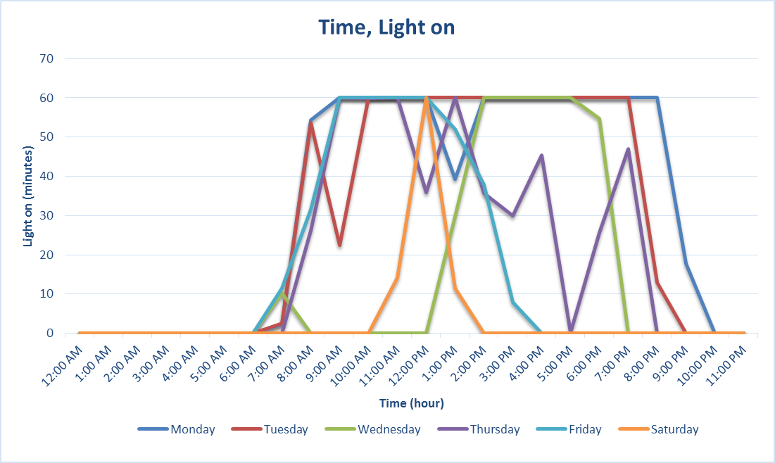
2:00:00 | #DIV/0! | #DIV/0! | #DIV/0! | #DIV/0! | #DIV/0! | #DIV/0! | #DIV/0! | #DIV/0! | #DIV/0! | #DIV/0! | #DIV/0! | #DIV/0! | #DIV/0! | #DIV/0!
3:00:00 | #DIV/0! | #DIV/0! | #DIV/0! | #DIV/0! | #DIV/0! | #DIV/0! | #DIV/0! | #DIV/0! | #DIV/0! | #DIV/0! | #DIV/0! | #DIV/0! | #DIV/0! | #DIV/0!
4:00:00 | #DIV/0! | #DIV/0! | #DIV/0! | #DIV/0! | #DIV/0! | #DIV/0! | #DIV/0! | #DIV/0! | #DIV/0! | #DIV/0! | #DIV/0! | #DIV/0! | #DIV/0! | #DIV/0!
5:00:00 | #DIV/0! | #DIV/0! | #DIV/0! | #DIV/0! | #DIV/0! | #DIV/0! | #DIV/0! | #DIV/0! | #DIV/0! | #DIV/0! | #DIV/0! | #DIV/0! | #DIV/0! | #DIV/0!
6:00:00 | #DIV/0! | #DIV/0! | #DIV/0! | #DIV/0! | #DIV/0! | #DIV/0! | #DIV/0! | #DIV/0! | #DIV/0! | #DIV/0! | #DIV/0! | #DIV/0! | #DIV/0! | #DIV/0!
7:00:00 | #DIV/0! | #DIV/0! | #DIV/0! | #DIV/0! | #DIV/0! | #DIV/0! | #DIV/0! | #DIV/0! | #DIV/0! | #DIV/0! | #DIV/0! | #DIV/0! | #DIV/0! | #DIV/0!
8:00:00 | #DIV/0! | #DIV/0! | #DIV/0! | #DIV/0! | #DIV/0! | #DIV/0! | #DIV/0! | #DIV/0! | #DIV/0! | #DIV/0! | #DIV/0! | #DIV/0! | #DIV/0! | #DIV/0!
9:00:00 | #DIV/0! | #DIV/0! | #DIV/0! | #DIV/0! | #DIV/0! | #DIV/0! | #DIV/0! | #DIV/0! | #DIV/0! | #DIV/0! | #DIV/0! | #DIV/0! | #DIV/0! | #DIV/0!
10:00:00 | #DIV/0! | #DIV/0! | #DIV/0! | #DIV/0! | #DIV/0! | #DIV/0! | #DIV/0! | #DIV/0! | #DIV/0! | #DIV/0! | #DIV/0! | #DIV/0! | #DIV/0! | #DIV/0!
11:00:00 | #DIV/0! | #DIV/0! | #DIV/0! | #DIV/0! | #DIV/0! | #DIV/0! | #DIV/0! | #DIV/0! | #DIV/0! | #DIV/0! | #DIV/0! | #DIV/0! | #DIV/0! | #DIV/0!
12:00:00 | #DIV/0! | #DIV/0! | #DIV/0! | #DIV/0! | #DIV/0! | #DIV/0! | #DIV/0! | #DIV/0! | #DIV/0! | #DIV/0! | #DIV/0! | #DIV/0! | #DIV/0! | #DIV/0!
13:00:00 | #DIV/0! | #DIV/0! | #DIV/0! | #DIV/0! | #DIV/0! | #DIV/0! | #DIV/0! | #DIV/0! | #DIV/0! | #DIV/0! | #DIV/0! | #DIV/0! | #DIV/0! | #DIV/0!
14:00:00 | #DIV/0! | #DIV/0! | #DIV/0! | #DIV/0! | #DIV/0! | #DIV/0! | #DIV/0! | #DIV/0! | #DIV/0! | #DIV/0! | #DIV/0! | #DIV/0! | #DIV/0! | #DIV/0!
15:00:00 | #DIV/0! | #DIV/0! | #DIV/0! | #DIV/0! | #DIV/0! | #DIV/0! | #DIV/0! | #DIV/0! | #DIV/0! | #DIV/0! | #DIV/0! | #DIV/0! | #DIV/0! | #DIV/0!
16:00:00 | #DIV/0! | #DIV/0! | #DIV/0! | #DIV/0! | #DIV/0! | #DIV/0! | #DIV/0! | #DIV/0! | #DIV/0! | #DIV/0! | #DIV/0! | #DIV/0! | #DIV/0! | #DIV/0!
17:00:00 | #DIV/0! | #DIV/0! | #DIV/0! | #DIV/0! | #DIV/0! | #DIV/0! | #DIV/0! | #DIV/0! | #DIV/0! | #DIV/0! | #DIV/0! | #DIV/0! | #DIV/0! | #DIV/0!
18:00:00 | #DIV/0! | #DIV/0! | #DIV/0! | #DIV/0! | #DIV/0! | #DIV/0! | #DIV/0! | #DIV/0! | #DIV/0! | #DIV/0! | #DIV/0! | #DIV/0! | #DIV/0! | #DIV/0!
Time, Occupancy
19:00:00 | #DIV/0! | #DIV/0! | #DIV/0! | #DIV/0! | #DIV/0! | #DIV/0! | #DIV/0! | #DIV/0! | #DIV/0! | #DIV/0! | #DIV/0! | #DIV/0! | #DIV/0! | #DIV/0!
20:00:00 | #DIV/0! | #DIV/0! | #DIV/0! | #DIV/0! | #DIV/0! | #DIV/0! | #DIV/0! | #DIV/0! | #DIV/0! | #DIV/0! | #DIV/0! | #DIV/0! | #DIV/0! | #DIV/0!
21:00:00 | #DIV/0! | #DIV/0! | #DIV/0! | #DIV/0! | #DIV/0! | #DIV/0! | #DIV/0! | #DIV/0! | #DIV/0! | #DIV/0! | #DIV/0! | #DIV/0! | #DIV/0! | #DIV/0!
22:00:00 | #DIV/0! | #DIV/0! | #DIV/0! | #DIV/0! | #DIV/0! | #DIV/0! | #DIV/0! | #DIV/0! | #DIV/0! | #DIV/0! | #DIV/0! | #DIV/0! | #DIV/0! | #DIV/0!
23:00:00 | #DIV/0! | #DIV/0! | #DIV/0! | #DIV/0! | #DIV/0! | #DIV/0! | #DIV/0! | #DIV/0! | #DIV/0! | #DIV/0! | #DIV/0! | #DIV/0! | #DIV/0! | #DIV/0!
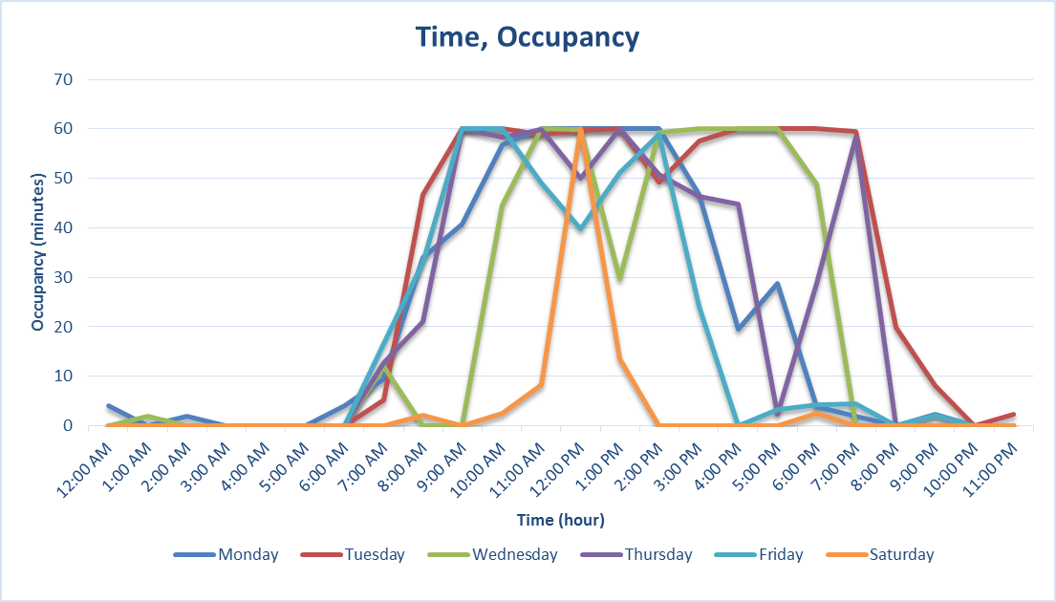
Total Use (hrs/d) | #DIV/0! | #DIV/0! | #DIV/0! | #DIV/0! | #DIV/0! | #DIV/0! | #DIV/0! | #DIV/0! | #DIV/0! | #DIV/0! | #DIV/0! | #DIV/0!
Average Use (min/hr) | #DIV/0! | #DIV/0! | #DIV/0! | #DIV/0! | #DIV/0! | #DIV/0! | #DIV/0! | #DIV/0! | #DIV/0! | #DIV/0! | #DIV/0! | #DIV/0!

#DIV/0! | Total amount of time light was on (hrs)
#DIV/0! | Total amount of time room was occupied (hrs)
#DIV/0! | Total amount of time light was on while the room was vacant (hrs)

Occupancy, Light on

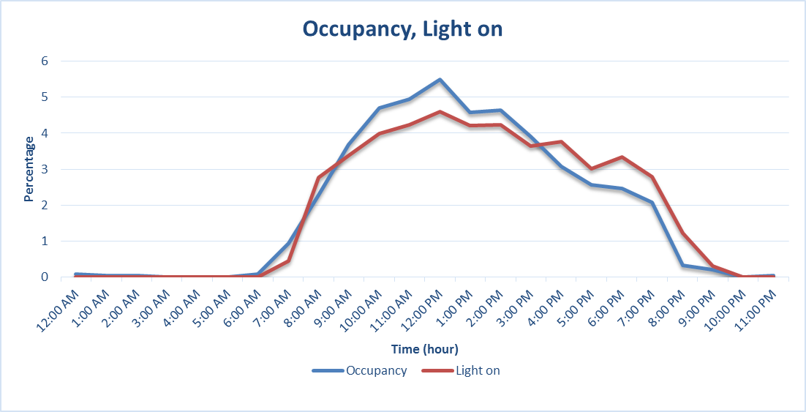

Comparison of light and space use
 | Occupancy | Light
0 | 0 | 0
0 | 0 | 0
0 | 0 | 0
0 | 0 | 0
0 | 0 | 0
0 | 0 | 0
0 | 0 | 0
0 | 0 | 0
0 | 0 | 0
0 | 0 | 0
0 | 0 | 0
0 | 0 | 0
0 | 0 | 0
0 | 0 | 0
0 | 0 | 0
0 | 0 | 0
0 | 0 | 0
0 | 0 | 0
0 | 0 | 0
0 | 0 | 0
0 | 0 | 0
0 | 0 | 0
0 | 0 | 0
0 | 0 | 0
0 | 0 | 0
0 | 0 | 0
0 | 0 | 0
0 | 0 | 0
0 | 0 | 0
0 | 0 | 0
0 | 0 | 0
0 | 0 | 0
0 | 0 | 0
0 | 0 | 0
0 | 0 | 0
0 | 0 | 0
0 | 0 | 0
0 | 0 | 0
0 | 0 | 0
0 | 0 | 0
0 | 0 | 0
0 | 0 | 0
0 | 0 | 0
0 | 0 | 0
0 | 0 | 0
0 | 0 | 0
0 | 0 | 0
0 | 0 | 0
0 | 0 | 0
0 | 0 | 0
...

HOBO UX100 Analysis
These table and graphs show the data of room temperature and humidity.

Average of Temperature
 | Monday |  | Tuesday |  | Wednesday |  | Thursday |  | Friday |  | Saturday
Time | Temperature | Humidity | Temperature | Humidity | Temperature | Humidity | Temperature | Humidity | Temperature | Humidity | Temperature | Humidity
0:00:00 | #DIV/0! | #DIV/0! | #DIV/0! | #DIV/0! | #DIV/0! | #DIV/0! | #DIV/0! | #DIV/0! | #DIV/0! | #DIV/0! | #DIV/0! | #DIV/0!
1:00:00 | #DIV/0! | #DIV/0! | #DIV/0! | #DIV/0! | #DIV/0! | #DIV/0! | #DIV/0! | #DIV/0! | #DIV/0! | #DIV/0! | #DIV/0! | #DIV/0!
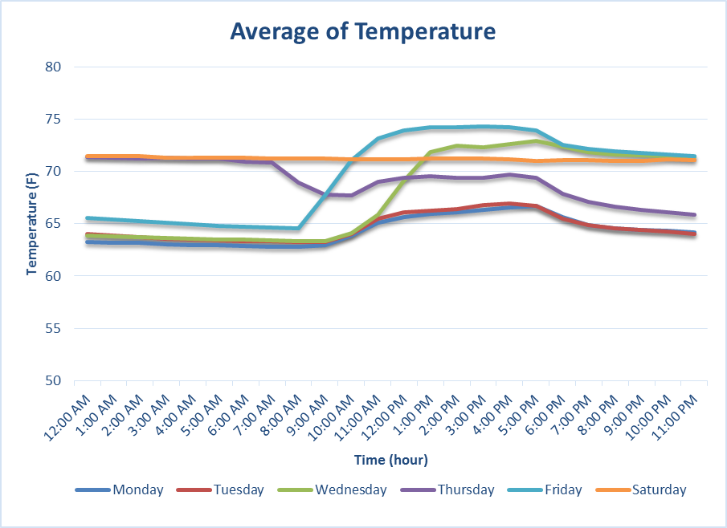
SAMPLE
2:00:00 | #DIV/0! | #DIV/0! | #DIV/0! | #DIV/0! | #DIV/0! | #DIV/0! | #DIV/0! | #DIV/0! | #DIV/0! | #DIV/0! | #DIV/0! | #DIV/0!
3:00:00 | #DIV/0! | #DIV/0! | #DIV/0! | #DIV/0! | #DIV/0! | #DIV/0! | #DIV/0! | #DIV/0! | #DIV/0! | #DIV/0! | #DIV/0! | #DIV/0!
4:00:00 | #DIV/0! | #DIV/0! | #DIV/0! | #DIV/0! | #DIV/0! | #DIV/0! | #DIV/0! | #DIV/0! | #DIV/0! | #DIV/0! | #DIV/0! | #DIV/0!
5:00:00 | #DIV/0! | #DIV/0! | #DIV/0! | #DIV/0! | #DIV/0! | #DIV/0! | #DIV/0! | #DIV/0! | #DIV/0! | #DIV/0! | #DIV/0! | #DIV/0!
6:00:00 | #DIV/0! | #DIV/0! | #DIV/0! | #DIV/0! | #DIV/0! | #DIV/0! | #DIV/0! | #DIV/0! | #DIV/0! | #DIV/0! | #DIV/0! | #DIV/0!
7:00:00 | #DIV/0! | #DIV/0! | #DIV/0! | #DIV/0! | #DIV/0! | #DIV/0! | #DIV/0! | #DIV/0! | #DIV/0! | #DIV/0! | #DIV/0! | #DIV/0!
8:00:00 | #DIV/0! | #DIV/0! | #DIV/0! | #DIV/0! | #DIV/0! | #DIV/0! | #DIV/0! | #DIV/0! | #DIV/0! | #DIV/0! | #DIV/0! | #DIV/0!
9:00:00 | #DIV/0! | #DIV/0! | #DIV/0! | #DIV/0! | #DIV/0! | #DIV/0! | #DIV/0! | #DIV/0! | #DIV/0! | #DIV/0! | #DIV/0! | #DIV/0!
10:00:00 | #DIV/0! | #DIV/0! | #DIV/0! | #DIV/0! | #DIV/0! | #DIV/0! | #DIV/0! | #DIV/0! | #DIV/0! | #DIV/0! | #DIV/0! | #DIV/0!
11:00:00 | #DIV/0! | #DIV/0! | #DIV/0! | #DIV/0! | #DIV/0! | #DIV/0! | #DIV/0! | #DIV/0! | #DIV/0! | #DIV/0! | #DIV/0! | #DIV/0!
12:00:00 | #DIV/0! | #DIV/0! | #DIV/0! | #DIV/0! | #DIV/0! | #DIV/0! | #DIV/0! | #DIV/0! | #DIV/0! | #DIV/0! | #DIV/0! | #DIV/0!
13:00:00 | #DIV/0! | #DIV/0! | #DIV/0! | #DIV/0! | #DIV/0! | #DIV/0! | #DIV/0! | #DIV/0! | #DIV/0! | #DIV/0! | #DIV/0! | #DIV/0!
14:00:00 | #DIV/0! | #DIV/0! | #DIV/0! | #DIV/0! | #DIV/0! | #DIV/0! | #DIV/0! | #DIV/0! | #DIV/0! | #DIV/0! | #DIV/0! | #DIV/0!
15:00:00 | #DIV/0! | #DIV/0! | #DIV/0! | #DIV/0! | #DIV/0! | #DIV/0! | #DIV/0! | #DIV/0! | #DIV/0! | #DIV/0! | #DIV/0! | #DIV/0!
16:00:00 | #DIV/0! | #DIV/0! | #DIV/0! | #DIV/0! | #DIV/0! | #DIV/0! | #DIV/0! | #DIV/0! | #DIV/0! | #DIV/0! | #DIV/0! | #DIV/0!
17:00:00 | #DIV/0! | #DIV/0! | #DIV/0! | #DIV/0! | #DIV/0! | #DIV/0! | #DIV/0! | #DIV/0! | #DIV/0! | #DIV/0! | #DIV/0! | #DIV/0!
18:00:00 | #DIV/0! | #DIV/0! | #DIV/0! | #DIV/0! | #DIV/0! | #DIV/0! | #DIV/0! | #DIV/0! | #DIV/0! | #DIV/0! | #DIV/0! | #DIV/0!
19:00:00 | #DIV/0! | #DIV/0! | #DIV/0! | #DIV/0! | #DIV/0! | #DIV/0! | #DIV/0! | #DIV/0! | #DIV/0! | #DIV/0! | #DIV/0! | #DIV/0!
Average of Humidity
20:00:00 | #DIV/0! | #DIV/0! | #DIV/0! | #DIV/0! | #DIV/0! | #DIV/0! | #DIV/0! | #DIV/0! | #DIV/0! | #DIV/0! | #DIV/0! | #DIV/0!
21:00:00 | #DIV/0! | #DIV/0! | #DIV/0! | #DIV/0! | #DIV/0! | #DIV/0! | #DIV/0! | #DIV/0! | #DIV/0! | #DIV/0! | #DIV/0! | #DIV/0!
22:00:00 | #DIV/0! | #DIV/0! | #DIV/0! | #DIV/0! | #DIV/0! | #DIV/0! | #DIV/0! | #DIV/0! | #DIV/0! | #DIV/0! | #DIV/0! | #DIV/0!
23:00:00 | #DIV/0! | #DIV/0! | #DIV/0! | #DIV/0! | #DIV/0! | #DIV/0! | #DIV/0! | #DIV/0! | #DIV/0! | #DIV/0! | #DIV/0! | #DIV/0!
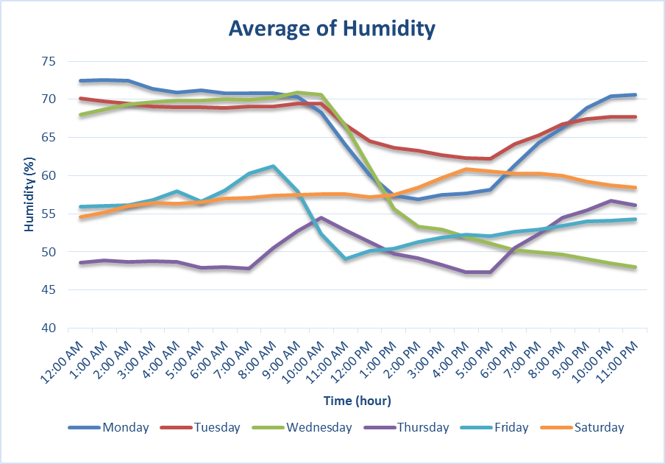
SAMPLE
Average | #DIV/0! | #DIV/0! | #DIV/0! | #DIV/0! | #DIV/0! | #DIV/0! | #DIV/0! | #DIV/0! | #DIV/0! | #DIV/0! | #DIV/0! | #DIV/0!

WattsUp Analysis
These table and graphs show the data of Electricity use by a workstation.

Electricity Use (Watts)
0 | 0
0 | 0
0 | 0
0 | 0
0 | 0
0 | 0
0 | 0
0 | 0
0 | 0
0 | 0
0 | 0
0 | 0
0 | 0
0 | 0
0 | 0
0 | 0
0 | 0
0 | 0
0 | 0
0 | 0
0 | 0
0 | 0
0 | 0
0 | 0
0 | 0
0 | 0
0 | 0
0 | 0
0 | 0
0 | 0
0 | 0
0 | 0
0 | 0
0 | 0
0 | 0
0 | 0
0 | 0
0 | 0
0 | 0
0 | 0
0 | 0
0 | 0
0 | 0
0 | 0
0 | 0
0 | 0
0 | 0
0 | 0
0 | 0
0 | 0
...
Total amount of Watthrs used
 | #N/A

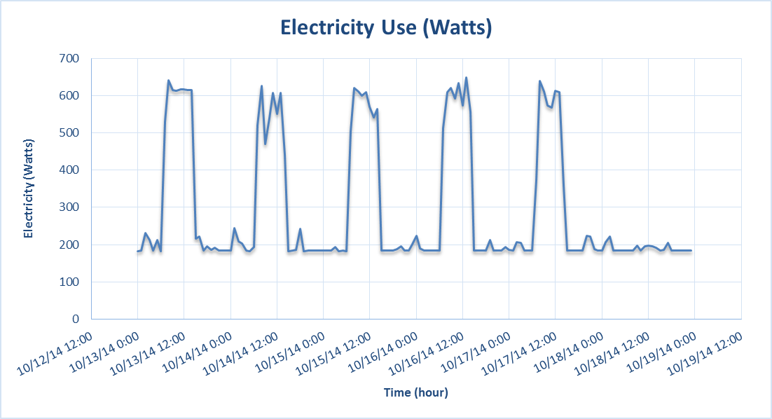
SAMPLE

Daily Electricity Use (Watts)
 | Monday | Tuesday | Wednesday | Thursday | Friday | Saturday
0:00:00 | 0 | 0 | 0 | 0 | 0 | 0
1:00:00 | 0 | 0 | 0 | 0 | 0 | 0
2:00:00 | 0 | 0 | 0 | 0 | 0 | 0
3:00:00 | 0 | 0 | 0 | 0 | 0 | 0
4:00:00 | 0 | 0 | 0 | 0 | 0 | 0
5:00:00 | 0 | 0 | 0 | 0 | 0 | 0
6:00:00 | 0 | 0 | 0 | 0 | 0 | 0
7:00:00 | 0 | 0 | 0 | 0 | 0 | 0
8:00:00 | 0 | 0 | 0 | 0 | 0 | 0
9:00:00 | 0 | 0 | 0 | 0 | 0 | 0
10:00:00 | 0 | 0 | 0 | 0 | 0 | 0
11:00:00 | 0 | 0 | 0 | 0 | 0 | 0
12:00:00 | 0 | 0 | 0 | 0 | 0 | 0
13:00:00 | 0 | 0 | 0 | 0 | 0 | 0
14:00:00 | 0 | 0 | 0 | 0 | 0 | 0
15:00:00 | 0 | 0 | 0 | 0 | 0 | 0
16:00:00 | 0 | 0 | 0 | 0 | 0 | 0
17:00:00 | 0 | 0 | 0 | 0 | 0 | 0
18:00:00 | 0 | 0 | 0 | 0 | 0 | 0
19:00:00 | 0 | 0 | 0 | 0 | 0 | 0
20:00:00 | 0 | 0 | 0 | 0 | 0 | 0
21:00:00 | 0 | 0 | 0 | 0 | 0 | 0
22:00:00 | 0 | 0 | 0 | 0 | 0 | 0
23:00:00 | 0 | 0 | 0 | 0 | 0 | 0

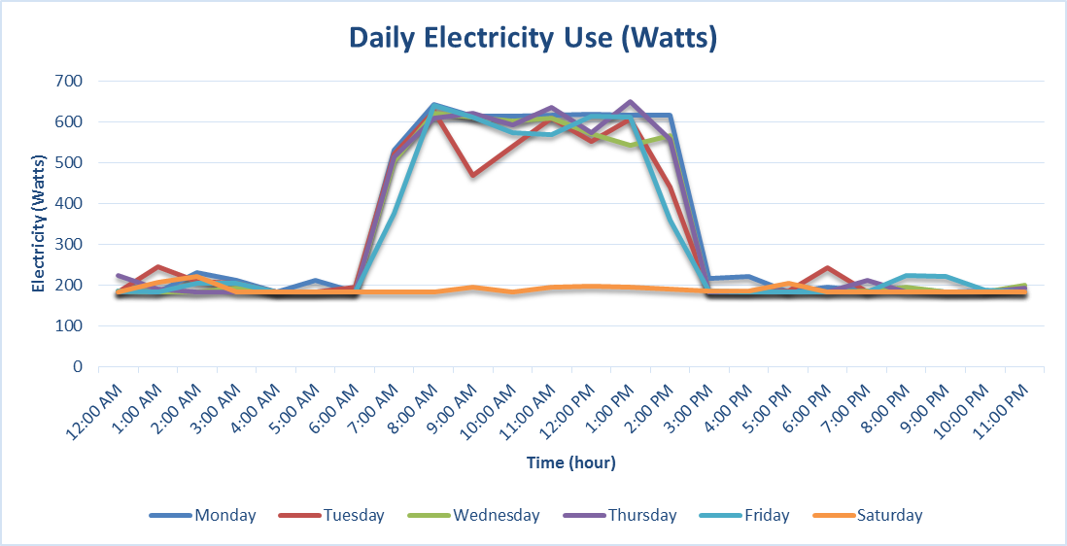
SAMPLE

