General

Building User Audit: Capturig Behavior, Energy, and Culture
Smart Excel Sheets

Welcome to the Smart Excel Sheets for the Manual Observation.
This tool provides every sheets, tables, and graphs reguired for conducting the building manual audit. This tool is used for data retrieval, analysis, and visualization.
The current tool contains the followings sheets:
- General Sheet
- Audit Data Sheets
- Summary Sheets
- People Counter
- Graphs

TIP: All blue cells should be filled manually.

Building General Information | Extra Building Audiit
Building Name: | Date of Audit | MM/DD/YY
Number of Story | Number of Equipment
Number of Offices | Desktops
Faculty | Copier/Scanner/Printer
Staff | Personal Fan
Grad. Students | Personal Heater
Number of Classrooms | Refrigrator
Number of Computer Labs | Microvawe
Number of Rooms with | Cofee Maker
Operable Windows | Projector
This information should be gained during | TV
the second level of audit: Walk-through Anaysis

Graphs
This sheet provides all the graphs should be created based on the manual observation. The following graphs are included in this sheet:
1. Total building occupancy (captured through building walkthrough) | 2. Total building occupancy (captured through people counters)
3. Average number of laptops present/plugged in | 4. Total number of desktops in use
5. Total number of rooms with light on | 6. Number of people enter/exit the building

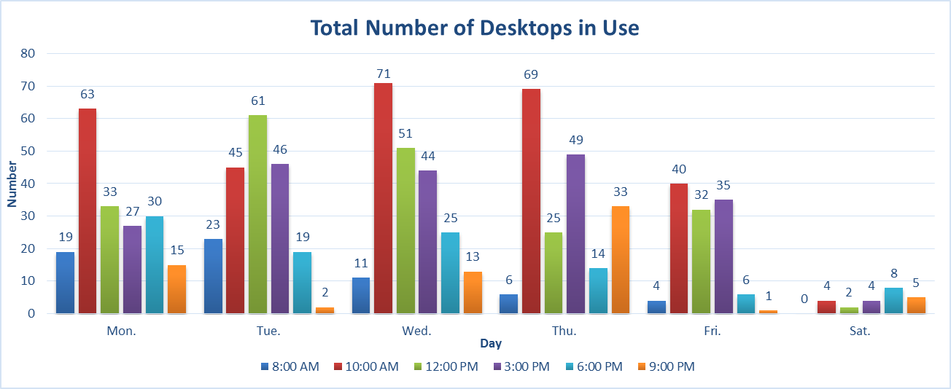
SAMPLE
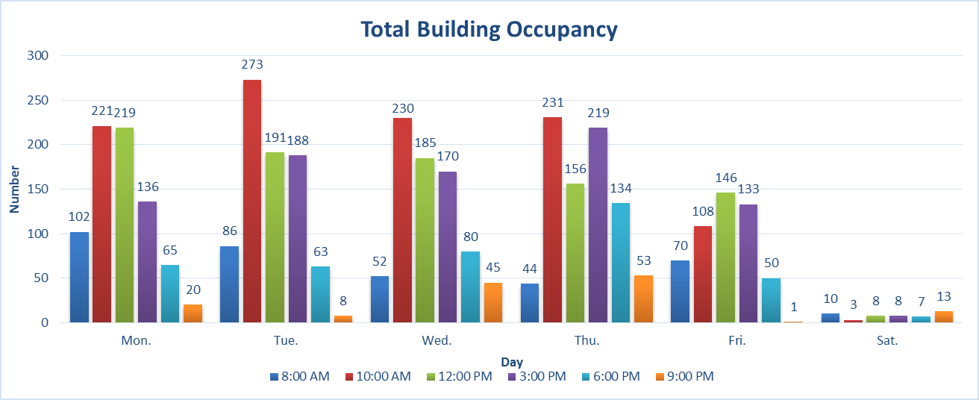
SAMPLE
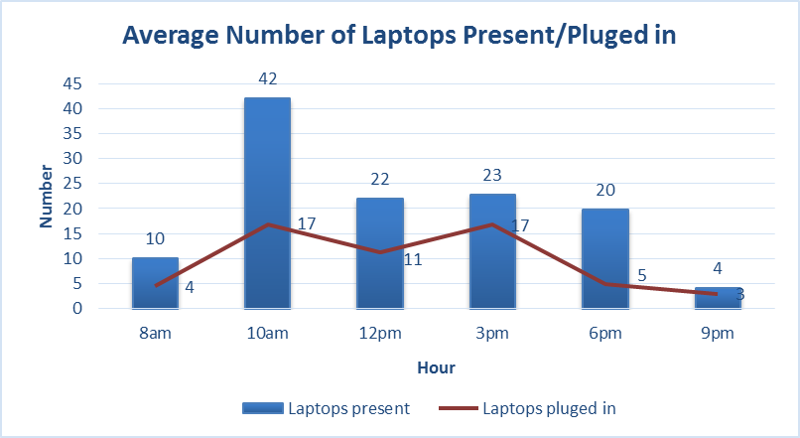
SAMPLE

Total Building Occupancy
 | 8:00 AM | 10:00 AM | 12:00 PM | 3:00 PM | 6:00 PM | 9:00 PM
Mon. | 0 | 0 | 0 | 0 | 0 | 0
Tue. | 0 | 0 | 0 | 0 | 0 | 0
Wed. | 0 | 0 | 0 | 0 | 0 | 0
Thu. | 0 | 0 | 0 | 0 | 0 | 0
Fri. | 0 | 0 | 0 | 0 | 0 | 0
Sat. | 0 | 0 | 0 | 0 | 0 | 0
Average Number of Laptops Present/Plugged in
 | Laptops present | Laptops pluged in
8am | 0 | 0
10am | 0 | 0
12pm | 0 | 0
3pm | 0 | 0
6pm | 0 | 0
9pm | 0 | 0
Total Building Occupancy
 | 8:00 AM | 10:00 AM | 12:00 PM | 3:00 PM | 6:00 PM | 9:00 PM
Mon. | 0 | 0 | 0 | 0 | 0 | 0
Tue. | 0 | 0 | 0 | 0 | 0 | 0
Wed. | 0 | 0 | 0 | 0 | 0 | 0
Thu. | 0 | 0 | 0 | 0 | 0 | 0
Fri. | 0 | 0 | 0 | 0 | 0 | 0
Sat. | 0 | 0 | 0 | 0 | 0 | 0

1
2
3

Total Number of Desktops in Use
 | 8:00 AM | 10:00 AM | 12:00 PM | 3:00 PM | 6:00 PM | 9:00 PM
Mon. | 0 | 0 | 0 | 0 | 0 | 0
Tue. | 0 | 0 | 0 | 0 | 0 | 0
Wed. | 0 | 0 | 0 | 0 | 0 | 0
Thu. | 0 | 0 | 0 | 0 | 0 | 0
Fri. | 0 | 0 | 0 | 0 | 0 | 0
Sat. | 0 | 0 | 0 | 0 | 0 | 0

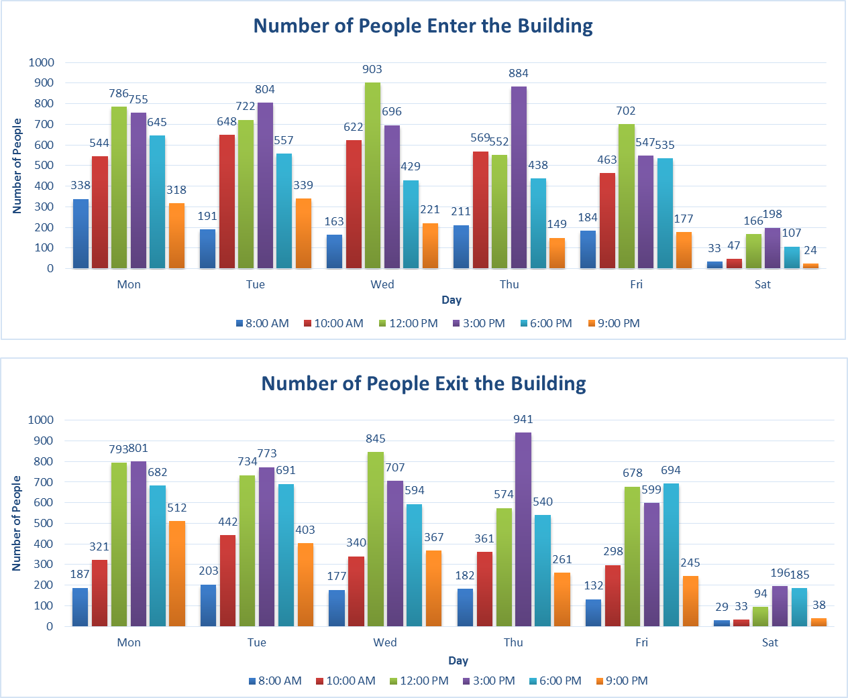
SAMPLE

4

Total Number of Rooms with Light on
 | 8:00 AM | 10:00 AM | 12:00 PM | 3:00 PM | 6:00 PM | 9:00 PM
Mon. | 0 | 0 | 0 | 0 | 0 | 0
Tue. | 0 | 0 | 0 | 0 | 0 | 0
Wed. | 0 | 0 | 0 | 0 | 0 | 0
Thu. | 0 | 0 | 0 | 0 | 0 | 0
Fri. | 0 | 0 | 0 | 0 | 0 | 0
Sat. | 0 | 0 | 0 | 0 | 0 | 0
Number of People Enter the Building
 | 8:00 AM | 10:00 AM | 12:00 PM | 3:00 PM | 6:00 PM | 9:00 PM
Mon | 0 | 0 | 0 | 0 | 0 | 0
Tue | 0 | 0 | 0 | 0 | 0 | 0
Wed | 0 | 0 | 0 | 0 | 0 | 0
Thu | 0 | 0 | 0 | 0 | 0 | 0
Fri | 0 | 0 | 0 | 0 | 0 | 0
Sat | 0 | 0 | 0 | 0 | 0 | 0

5
6

Number of People Exit the Building
 | 8:00 AM | 10:00 AM | 12:00 PM | 3:00 PM | 6:00 PM | 9:00 PM
Mon | 0 | 0 | 0 | 0 | 0 | 0
Tue | 0 | 0 | 0 | 0 | 0 | 0
Wed | 0 | 0 | 0 | 0 | 0 | 0
Thu | 0 | 0 | 0 | 0 | 0 | 0
Fri | 0 | 0 | 0 | 0 | 0 | 0
Sat | 0 | 0 | 0 | 0 | 0 | 0

