Pictures (15-14 m)
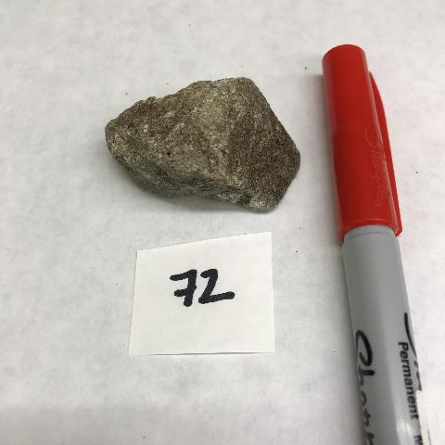
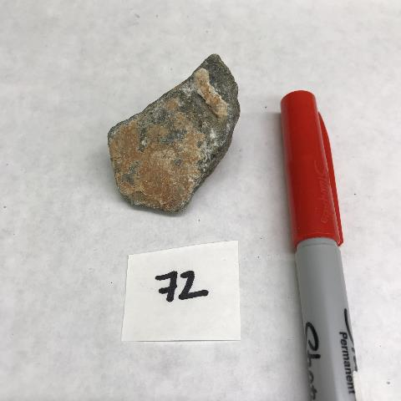

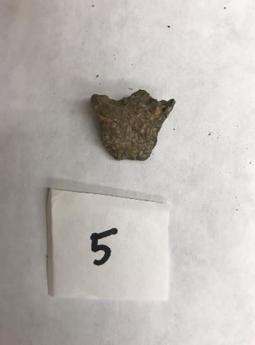
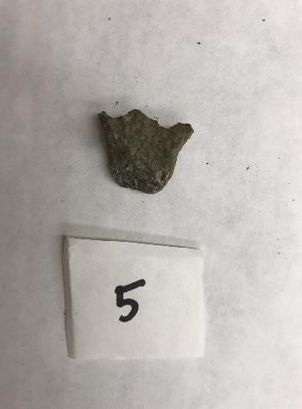
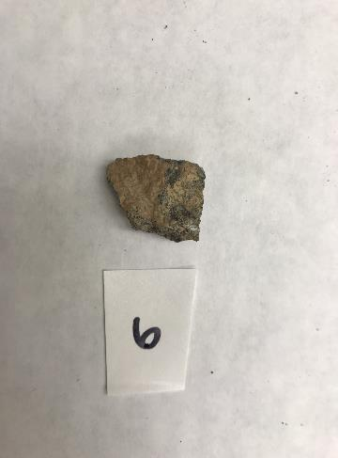
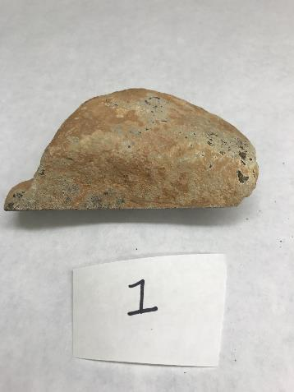
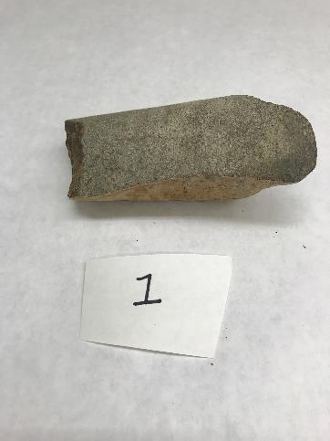
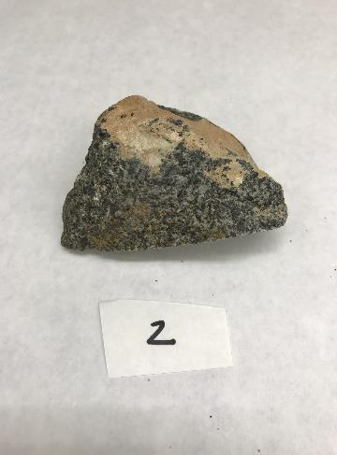
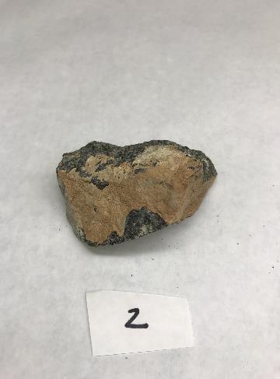
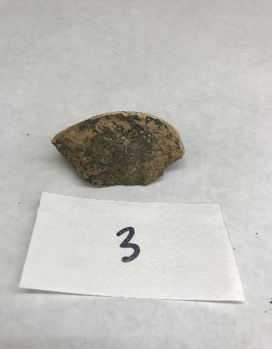
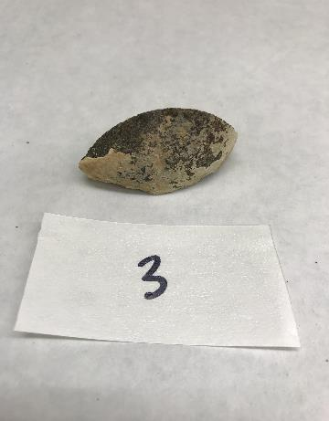
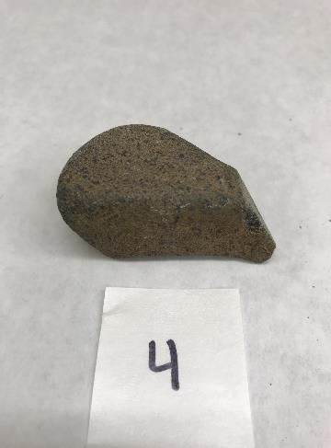
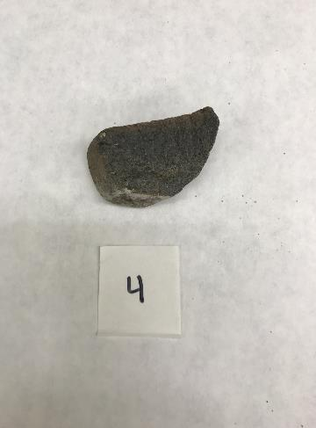
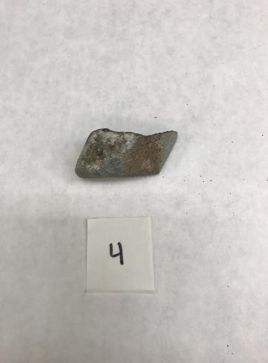

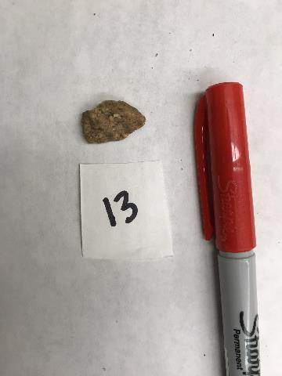
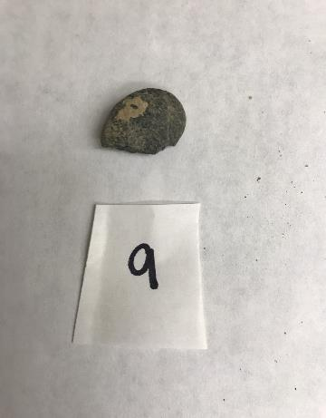
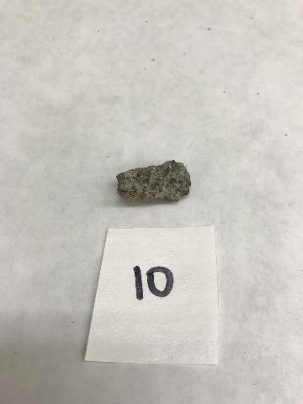
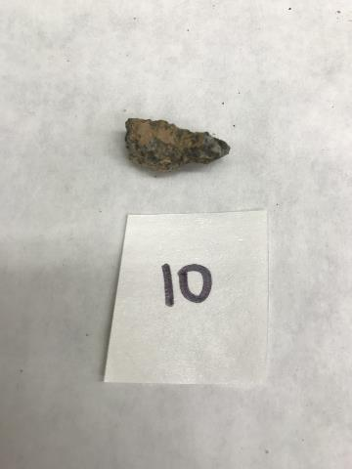
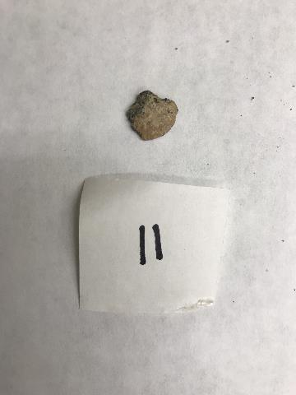
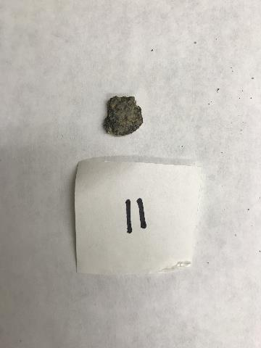
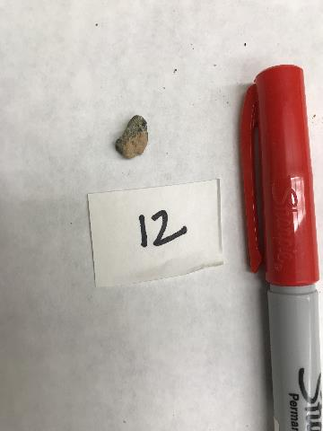
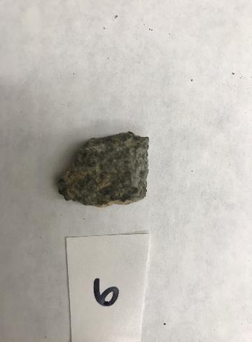
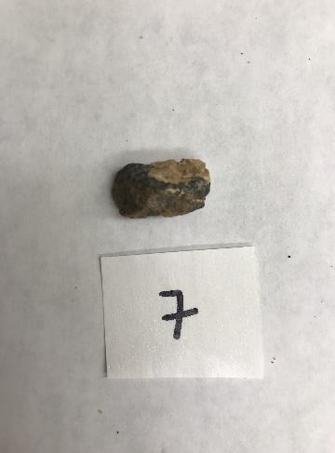
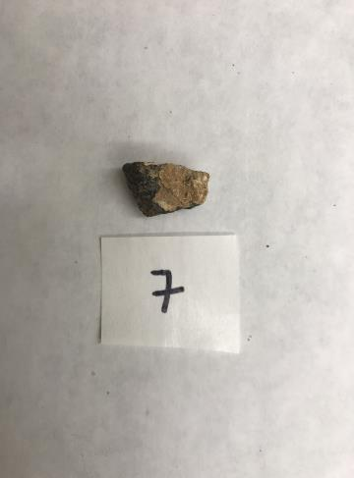
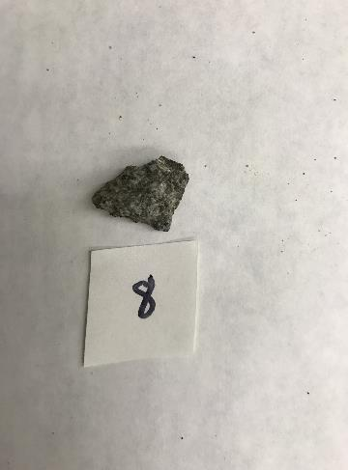
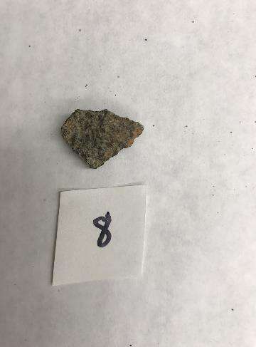

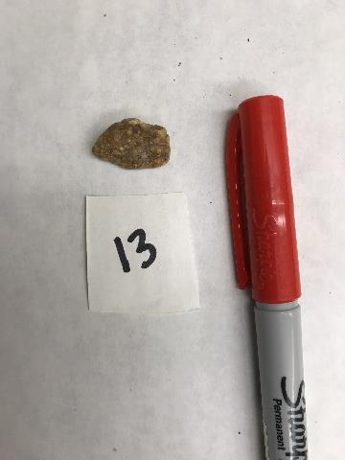
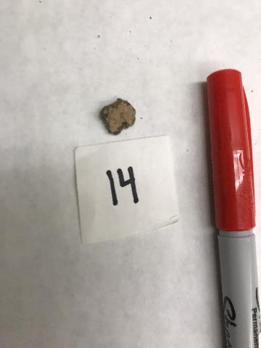
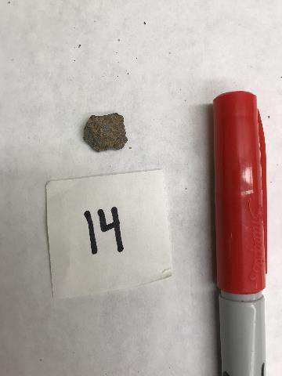
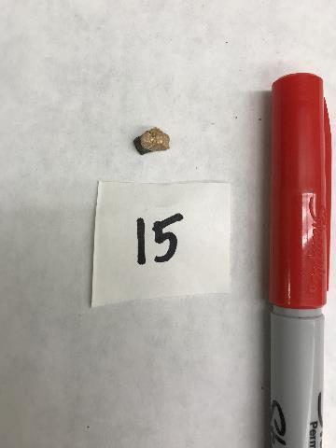
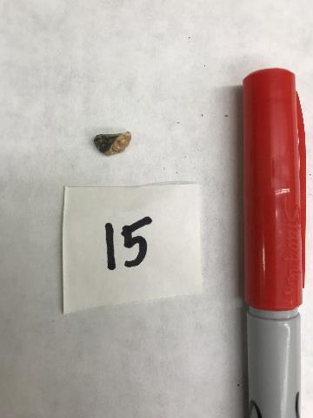
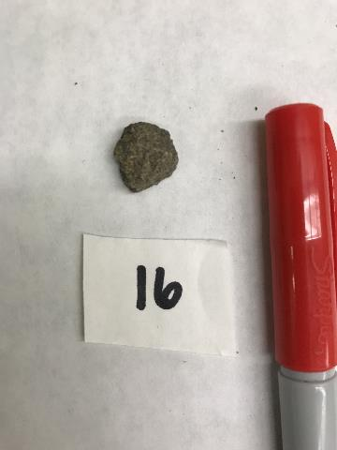
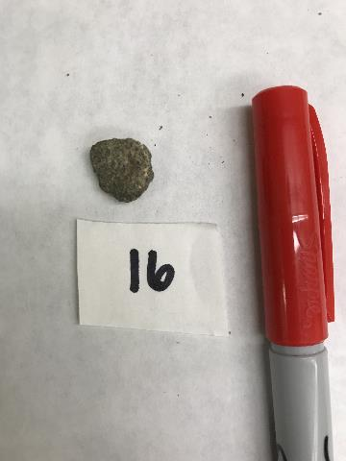
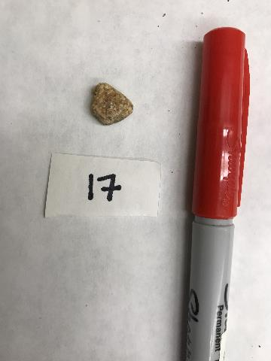
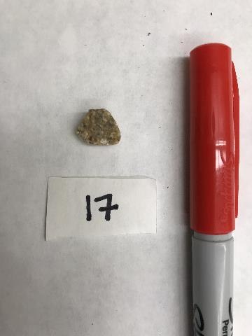
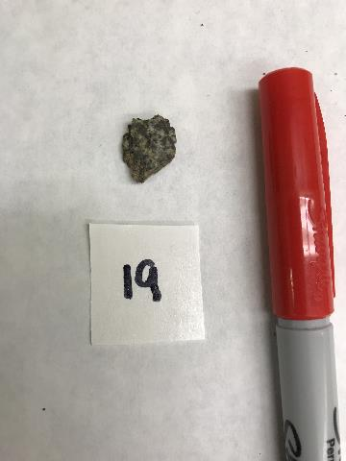
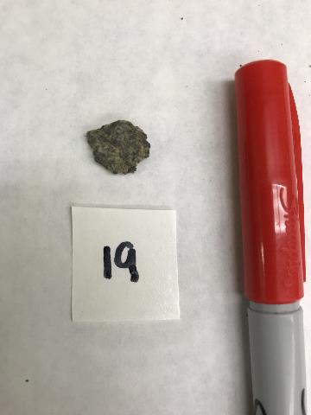
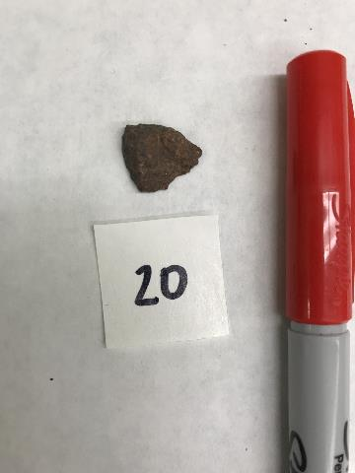

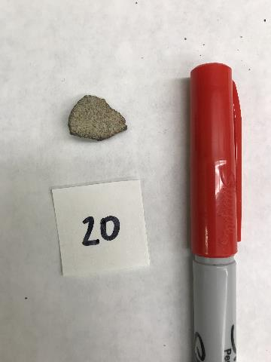

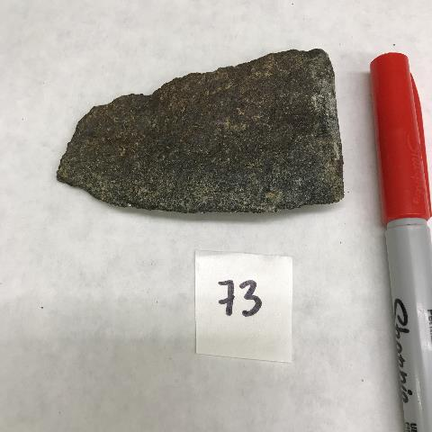
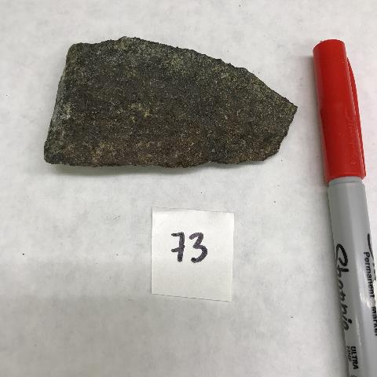

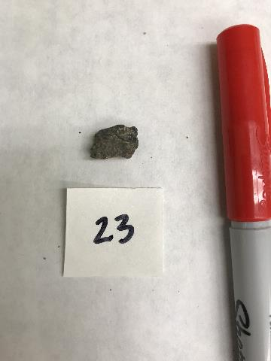
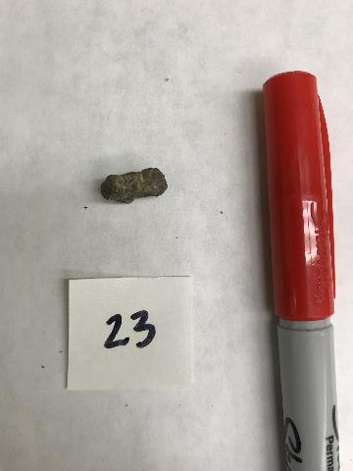
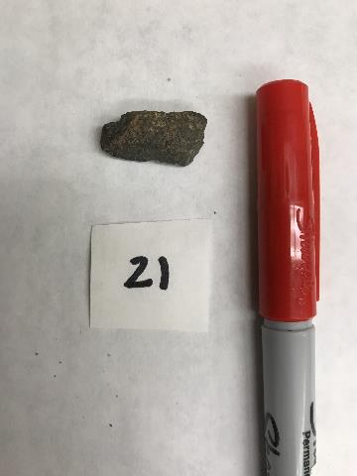
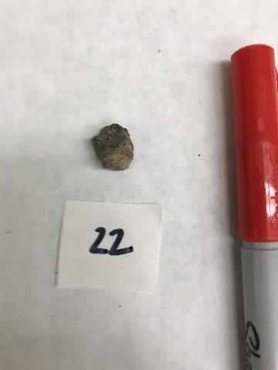
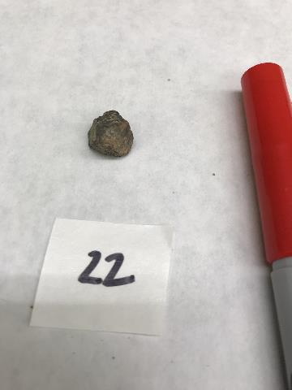

Pictures (12-11 m)
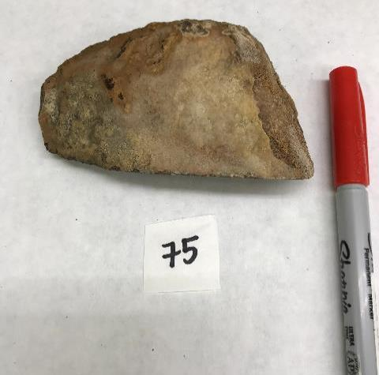
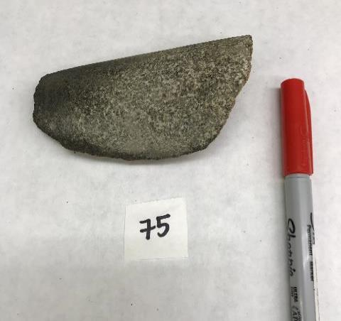
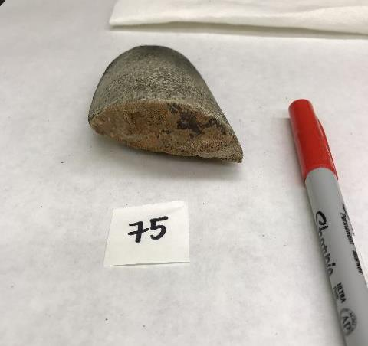

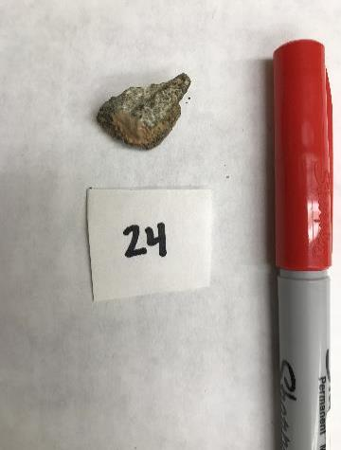



















Pictures (11-10 m)


































Pictures (10-9 m)






































Pictures (9-8 m)












Pictures (8-7 m)
















Description & Pictures - Unit 2















Sample Number | Sample ID | Depth | Length (cm) | Rock Type | Sphericity | Texture | Carbonate Coating | Vetificated | Staining (red) | Notes
2.1 | VV3-170-175 | 172.5 | 2.1 | limestone | Moderite | subangular | no | no | no
2.2 | VV3-170-175 | 172.5 | 2.1 | sandstone | High | subangular | no | no | no
2.3 | VV3-170-175 | 172.5 | 1.5 | dolerite | High | subangular | no | yes | no
2.4 | VV3-170-175 | 172.5 | 1 | limsetone | Low | subangular | light varnish | no | no
2.5 | VV3-170-175 | 172.5 | 2.5 | limsestone | Moderate | angular to subangular | no | no | no
2.6 | VV3-170-175 | 172.5 | 1.5 | limestone | Moderate | subangular | varnish | no | no
2.7 | VV3-170-175 | 172.5 | 0.7 | dolerite | Moderate | subangular to rounded | light varnish | yes | no

Description & Pictures - Unit 3















Sample Number | Sample ID | Depth | Length (cm) | Rock Type | Sphericity | Texture | Carbonate Coating | Vetificated | Staining (red) | Notes
1 | VV3-48-51 | 49.5 | 1.7 | dolerite | moderate | subangular to angular | light varnish | no | no
2 | VV3-48-51 | 49.5 | 2.1 | granite | high | subangular | no | no | no
3 | VV3-48-51 | 49.5 | 1.5 | granite | moderate | subangular to rounded | no | no | no
4 | VV3-48-51 | 49.5 | 1.2 | dolerite | high | subangular | small section of carbonate | no | no
5 | VV3-48-51 | 49.5 | 1.6 | granite | high | subangular | no | no | no
6 | VV3-48-51 | 49.5 | 0.9 | granite | high | subangular | no | no | no
7 | VV3-48-51 | 49.5 | 1.6 | granite | moderate | subangular | small section of carbonate | no | no

